Cover Page

ca

ContentsAgenda


Introduction
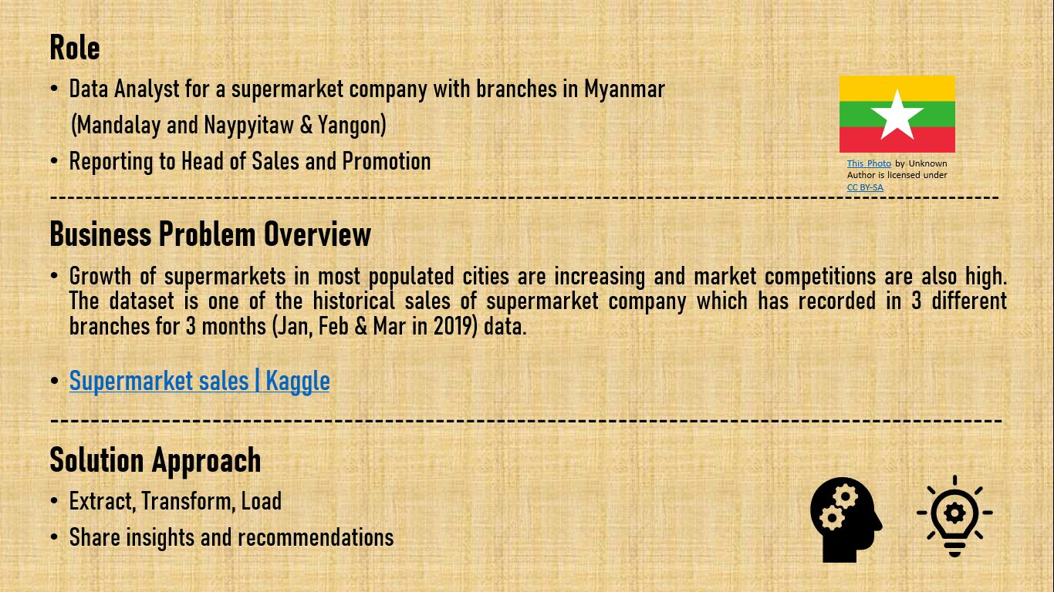

Data Overview
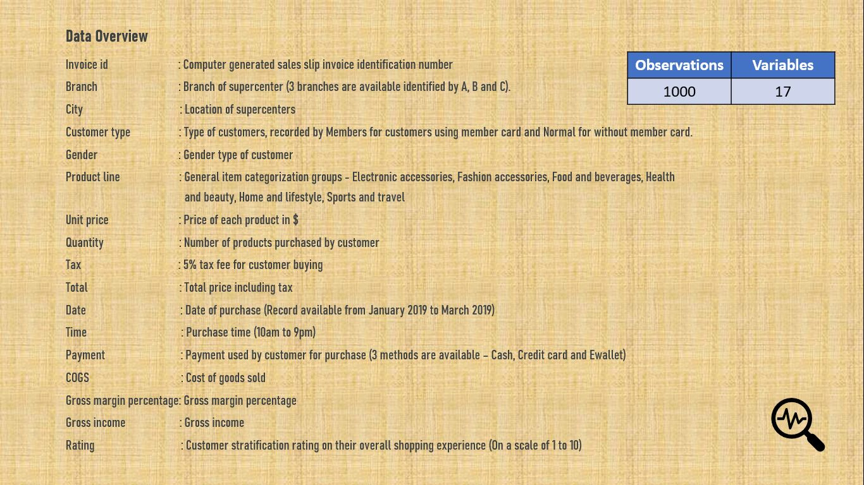

Data Reprocessing
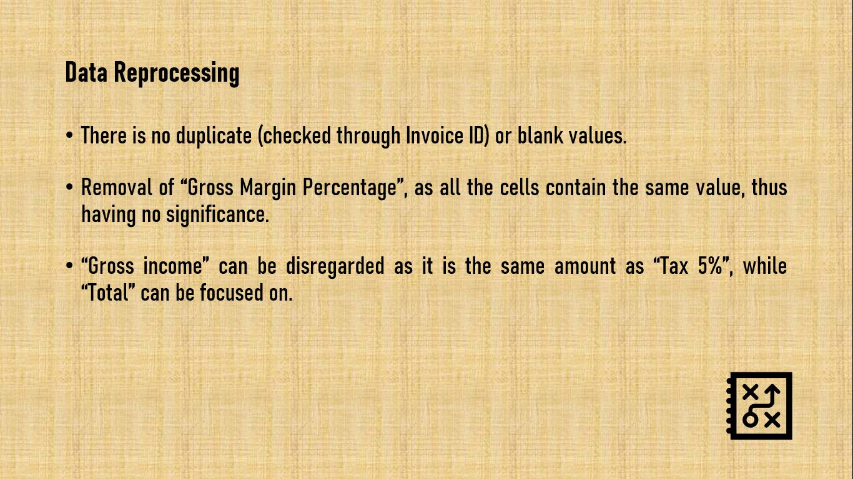

Interactive Dashboard
 | Total
Electronic accessories | 54337.5315
Fashion accessories | 54305.895
Food and beverages | 56144.844
Health and beauty | 49193.739
Home and lifestyle | 53861.913
Sports and travel | 55122.8265
 | Total
Jan | 116291.868
Feb | 97219.374
Mar | 109455.507
 | Electronic accessories | Fashion accessories | Food and beverages | Health and beauty | Home and lifestyle | Sports and travel
Member | 24498.495 | 26323.962 | 31357.62 | 25831.0395 | 27978.027 | 28234.3005
Normal | 29839.0365 | 27981.933 | 24787.224 | 23362.6995 | 25883.886 | 26888.526

Interactive Dashboard - Sales, Payment and Rating of 3 Supermarket Branches in Myanmar
(Jan - Mar 2019)
 | Electronic accessories | Fashion accessories | Food and beverages | Health and beauty | Home and lifestyle | Sports and travel
A | 18317.1135 | 16332.5085 | 17163.1005 | 12597.753 | 22417.1955 | 19372.6995
B | 17051.4435 | 16413.3165 | 15214.8885 | 19980.66 | 17549.1645 | 19988.199
C | 18968.9745 | 21560.07 | 23766.855 | 16615.326 | 13895.553 | 15761.928
 | Electronic accessories | Fashion accessories | Food and beverages | Health and beauty | Home and lifestyle | Sports and travel
Female | 27102.0225 | 30437.4 | 33170.9175 | 18560.9865 | 30036.8775 | 28574.721
Male | 27235.509 | 23868.495 | 22973.9265 | 30632.7525 | 23825.0355 | 26548.1055

 | Cash | Credit card | Ewallet
A | 6591.1755 | 9302.013 | 11101.2195
B | 9027.039 | 10635.093 | 7192.122
C | 9128.469 | 6830.9115 | 6268.458
 | Jan | Feb | Mar
A | 38681.1285 | 29860.1205 | 37659.1215
B | 37176.0585 | 34424.271 | 34597.3425
C | 40434.681 | 32934.9825 | 37199.043
Rating
Min | 4
Average | 6.9727
Max | 10

Total by Product Line
Total per Product Line
Row Labels | Sum of Total
Electronic accessories | 54337.5315
Fashion accessories | 54305.895
Food and beverages | 56144.844
Health and beauty | 49193.739
Home and lifestyle | 53861.913
Sports and travel | 55122.8265
Grand Total | 322966.749

Total per Product Line (Branch A)
Row Labels | Sum of Total
A | 106200.3705
Electronic accessories | 18317.1135
Fashion accessories | 16332.5085
Food and beverages | 17163.1005
Health and beauty | 12597.753
Home and lifestyle | 22417.1955
Sports and travel | 19372.6995
Grand Total | 106200.3705

Total per Product Line (Branch B)
Row Labels | Sum of Total
B | 106197.672
Electronic accessories | 17051.4435
Fashion accessories | 16413.3165
Food and beverages | 15214.8885
Health and beauty | 19980.66
Home and lifestyle | 17549.1645
Sports and travel | 19988.199
Grand Total | 106197.672

Total per Product Line (Branch C)
Row Labels | Sum of Total
C | 110568.7065
Electronic accessories | 18968.9745
Fashion accessories | 21560.07
Food and beverages | 23766.855
Health and beauty | 16615.326
Home and lifestyle | 13895.553
Sports and travel | 15761.928
Grand Total | 110568.7065

Total per Branch
Total per Branch by Product Line
Sum of Total | Column Labels
Row Labels | Electronic accessories | Fashion accessories | Food and beverages | Health and beauty | Home and lifestyle | Sports and travel | Grand Total
A | 18317.1135 | 16332.5085 | 17163.1005 | 12597.753 | 22417.1955 | 19372.6995 | 106200.3705
B | 17051.4435 | 16413.3165 | 15214.8885 | 19980.66 | 17549.1645 | 19988.199 | 106197.672
C | 18968.9745 | 21560.07 | 23766.855 | 16615.326 | 13895.553 | 15761.928 | 110568.7065
Grand Total | 54337.5315 | 54305.895 | 56144.844 | 49193.739 | 53861.913 | 55122.8265 | 322966.749

Total per Branch by Month
Sum of Total | Column Labels
Row Labels | Mar | Grand Total
A | 37659.1215 | 37659.1215
B | 34597.3425 | 34597.3425
C | 37199.043 | 37199.043
Grand Total | 109455.507 | 109455.507

 | Jan | Feb | Mar
A | 38681.1285 | 29860.1205 | 37659.1215
B | 37176.0585 | 34424.271 | 34597.3425
C | 40434.681 | 32934.9825 | 37199.043

Total per Payment
Total per Branch by Payment
Sum of Total | Column Labels
Row Labels | Cash | Credit card | Ewallet | Grand Total
A | 6591.1755 | 9302.013 | 11101.2195 | 26994.408
B | 9027.039 | 10635.093 | 7192.122 | 26854.254
C | 9128.469 | 6830.9115 | 6268.458 | 22227.8385
Grand Total | 24746.6835 | 26768.0175 | 24561.7995 | 76076.5005

 | Total
A Cash | 33781.251
A Credit card | 33094.7505
A Ewallet | 39324.369
Total by Payment (Branch A)
Row Labels | Sum of Total
A | 106200.3705
Cash | 33781.251
Credit card | 33094.7505
Ewallet | 39324.369
Grand Total | 106200.3705

 | Total
B Cash | 35339.4615
B Credit card | 37344.8565
B Ewallet | 33513.354
Total by Payment (Branch B)
Row Labels | Sum of Total
B | 106197.672
Cash | 35339.4615
Credit card | 37344.8565
Ewallet | 33513.354
Grand Total | 106197.672

 | Total
C Cash | 43085.8575
C Credit card | 30327.465
C Ewallet | 37155.384
Total By Payment (Branch C)
Row Labels | Sum of Total
C | 110568.7065
Cash | 43085.8575
Credit card | 30327.465
Ewallet | 37155.384
Grand Total | 110568.7065

Total per Month
Total per Month
Row Labels | Sum of Total
Jan | 116291.868
Feb | 97219.374
Mar | 109455.507
Grand Total | 322966.749

Total per Member Type
Total per Member Type by Product Line
Sum of Total | Column Labels
Row Labels | Electronic accessories | Fashion accessories | Food and beverages | Health and beauty | Home and lifestyle | Sports and travel | Grand Total
Member | 24498.495 | 26323.962 | 31357.62 | 25831.0395 | 27978.027 | 28234.3005 | 164223.444
Normal | 29839.0365 | 27981.933 | 24787.224 | 23362.6995 | 25883.886 | 26888.526 | 158743.305
Grand Total | 54337.5315 | 54305.895 | 56144.844 | 49193.739 | 53861.913 | 55122.8265 | 322966.749

Total per Gender
Total per Gender by Product Line
Sum of Total | Column Labels
Row Labels | Electronic accessories | Fashion accessories | Food and beverages | Health and beauty | Home and lifestyle | Sports and travel | Grand Total
Female | 27102.0225 | 30437.4 | 33170.9175 | 18560.9865 | 30036.8775 | 28574.721 | 167882.925
Male | 27235.509 | 23868.495 | 22973.9265 | 30632.7525 | 23825.0355 | 26548.1055 | 155083.824
Grand Total | 54337.5315 | 54305.895 | 56144.844 | 49193.739 | 53861.913 | 55122.8265 | 322966.749

Rating per Member Type (MAM)
Rating
Rating
Min | 4
Average | 6.9727
Max | 10

Rating per Member Type
Row Labels | Min of Rating | Row Labels | Average of Rating | Row Labels | Max of Rating
Member | 4 | Member | 6.9403193613 | Member | 10
Normal | 4 | Normal | 7.0052104208 | Normal | 10
Grand Total | 4 | Grand Total | 6.9727 | Grand Total | 10

Rating per Gender
Row Labels | Min of Rating | Row Labels | Average of Rating | Row Labels | Max of Rating
Female | 4 | Female | 6.9644710579 | Female | 10
Male | 4 | Male | 6.9809619238 | Male | 10
Grand Total | 4 | Grand Total | 6.9727 | Grand Total | 10

Rating per Branch
Row Labels | Min of Rating | Row Labels | Average of Rating | Row Labels | Max of Rating
A | 4 | A | 7.0270588235 | A | 10
B | 4 | B | 6.8180722892 | B | 10
C | 4 | C | 7.0728658537 | C | 10
Grand Total | 4 | Grand Total | 6.9727 | Grand Total | 10

Executive Summary
